Application Screen
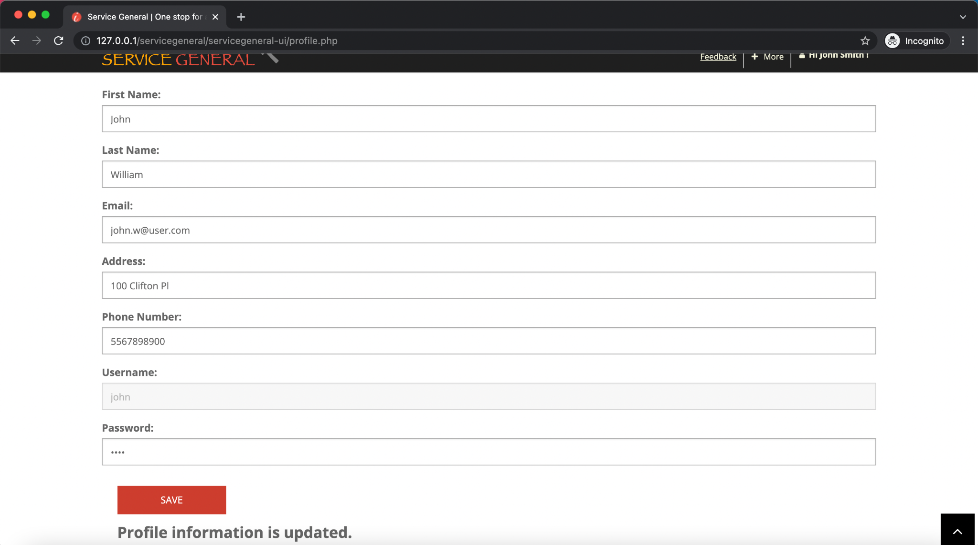
Profile option in Menu | Update Profile Page

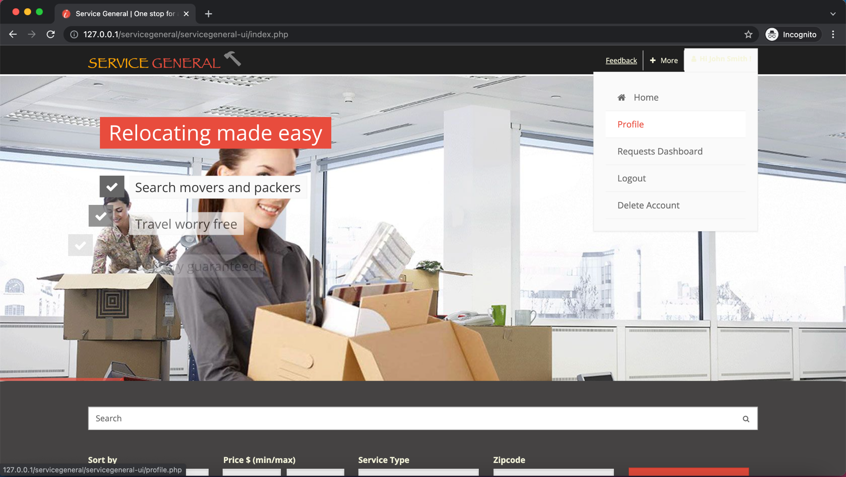
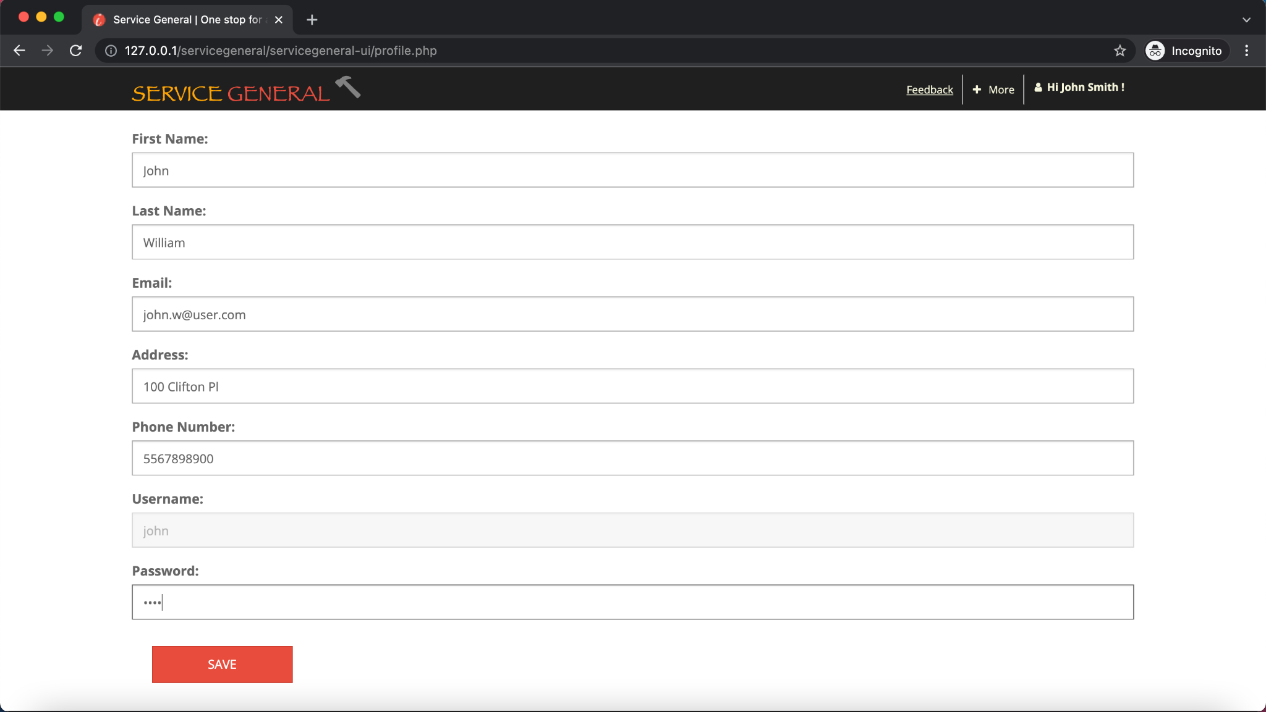

Profile Information Updated

Test Case 3
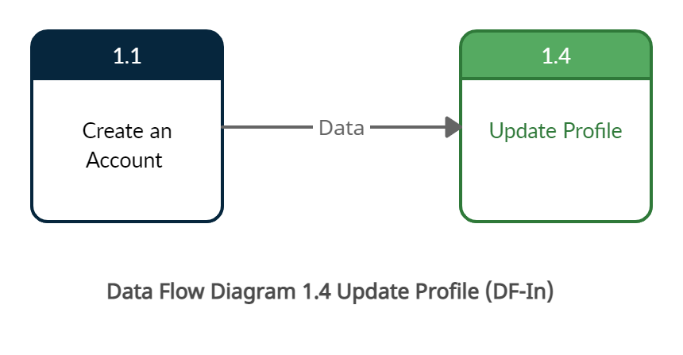
TC Title: | TC3. Update Profile - DF-In - Data Flow In

TC Objective: | This test case validates the data flows in to the Update Profile feature from the Create Account feature

TC Description
 | Step | Step Description | Expected Results
 | 1 | Create the profile with the following details. 1) Enter First Name 2) Enter Last Name 3) Enter Email Id 4) Enter Phone No. 5) Enter Address 6) Enter UserName | Verify: User should be able to login using the username provided while creating profile.
 | 2 | Login as the User: John | Logged in User should be able to click on Profile (John Smith). Expected data 1) John 2) Smith 3)John.Smith@user.com 4) 100 Clifton Pl 5)1234543210 6)John

Test Case 4
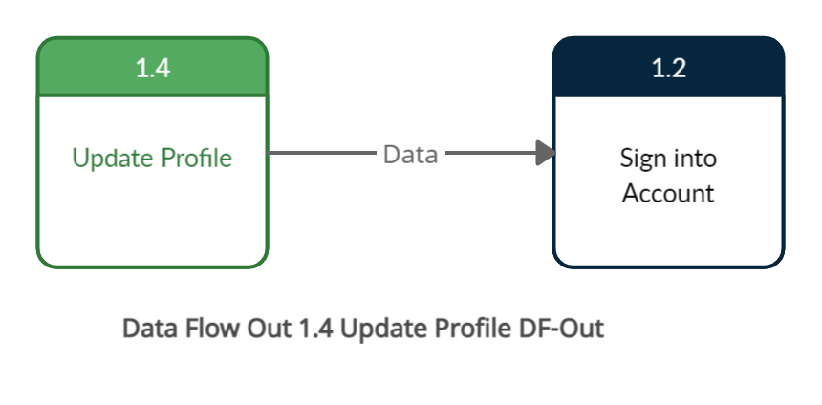
TC Title: | TC4. Update Profile - DF-Out - Data Flow Out

TC Objective: | This test case validates that on updating the profile the data flows in to the application and gets stored. The new data generated for the field password is also flowed to core feature 1.2 Sign into Account

TC Description
 | Step | Step Description | Expected Results
 | 1 | Update the information as below and click on Save the data is stored in database. 1) Update the First Name to John1 2) Update the Last Name to Williams 3) Update the Email to John1.Williams@user.com 4) Update the Phone number to 112233441 5) Update the address. "Random Address" 6) Update the Password. "New Password" Click on Save. | The updated information is saved to database and when the user retrieves the profile page below information is retrieved 1) First Name: John1 2) Last Name: Williams 3) Email: John1.Williams@user.com 4) Phone No: 112233441 5) Address: "Random Address" 6)Password:"New Password" feature 1.2 Sign into account captures the updated password data
 | 2 | User Logs back into their account using feature 1.2 sign into account | the data generated from 1.4 update profile for password field is then used by feature 1.2 to successfully grant the user access

